Worksheet
Asset ID | QR Code
STDCin5PPA0 | 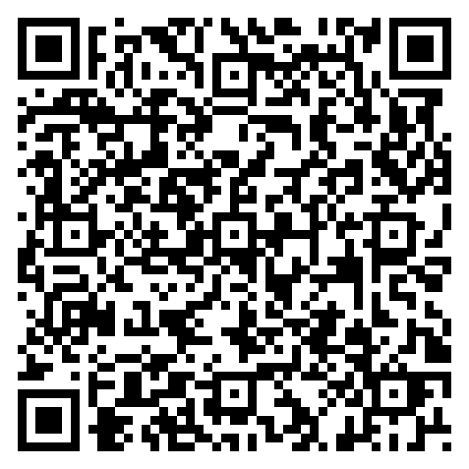
STDCinQOF5N | 